PA32RT-300 Wt.&Bal. Sheet
Weight and Balance Data Sheet
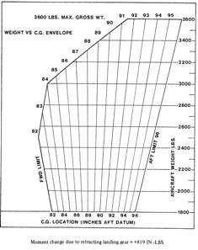
Piper Lance II PA-32RT-300 N39551

 | Weight (lbs) | Arm (in.) | Moment
Basic Empty | 2266 | -- | 192107.6
Front Seats | 0 | 85.5 | 0.0
Center Seats | 0 | 119.1 | 0.0
Rear Seats | 0 | 157.6 | 0.0
Fwd. Baggage | 10 | 42 | 420.0
Rear Baggage | 0 | 178.7 | 0.0
Fuel (94 g. max) | 540 | 93.6 | 50544.0
Fuel Burn | 300 | 93.6 | 28080.0

Takeoff Wt. | 2816 | Takeoff C.G. | 86.32
Landing Wt. | 2516 | Landing C.G. | 85.45

